Sheet1
Academic screentime | Entertainment screen time | Study hours | homework hours | weekdays sleep | weekend sleep | Gym | Tutoring(if yes, list hours | phone usage before bed | focus level in class | Last minute or pre prepared sutdyihng | Grade Level | Highest Average | Class Name | 8 | 8
0 | 8 | 0 | 3 | 8 | 8 | 2 | 2 | 1 | 5 | Last minute | 11 | 70 | english
2 | 9 | 1 | 2 | 8 | 8 | 1 | 0 | 1 | 8 | pre preapred | 9 | 100 | gym
2 | 6 | 1 | 0.5 | 12 | 12 | 0 | 2 | 1 | 7 | last minute | 9 | 100 | biology
0 | 2 | 0 | 0 | 8 | 9 | 1 | 0 | 1 | 0 | last minute | 10 | 65 | gym
3 | 8 | 2 | 1 | 6 | 8 | 0 | 0 | 2 | 7 | pre prepared | 11 | 92 | science
1 | 3 | 1 | 0.5 | 6 | 9 | 1 | 0 | 2 | 8 | last minute | 10 | 100 | biology
2 | 6 | 0 | 2 | 6 | 9 | 0 | 0 | 2 | 8 | last minute | 12 | 97 | ap research
2 | 5 | 1 | 1 | 4 | 12 | 0 | 0 | 2 | 7 | last minute | 12 | 95 | legal research
3 | 2 | 1 | 2 | 6 | 12 | 0 | 0 | 2 | 0 | last minute | 11 | 85 | forensic science
2 | 9 | 0 | 0.1 | 5 | 9 | 0 | 0 | 1 | 8 | last minute | 9 | 100 | ela
1 | 7 | 0 | 1 | 8 | 10 | 0 | 0 | 0.5 | 4 | ast minute | 10 | 100 | health
0 | 10 | 0 | 0 | 3 | 1 | 0 | 0 | 1 | 2 | last minute | 10 | 65 | gym
0 | 9 | 0 | 0 | 7 | 12 | 0 | 0 | 1 | 0 | last minute | 10 | 96 | gym
2 | 3 | 1 | 1 | 6 |  | 0.5 | 0 | 3 | 7 | last minute | 10 | 100 | english
3 | 4 | 0 | 2 | 6 | 12 | 2 | 0 | 0.5 | 6 | last minute | 10 | 100 | Algebra 2
1 | 8 | 0.5 | 1 | 6 | 10 | 0 | 0 | 2 | 6 | pre prepared | 11 | 94 | English collegenow
2 | 5 | 1 | 0 | 6 | 10 | 0.75 | 0 | 1 | 8 | last minute | 10 | 104 | health
4 | 10 | 2 | 1 | 6 | 6 | 1 | 0 | 7 | 5 | last minuute | 10 | 97 | korean
4 | 3 | 2 | 2 | 6 | 6 | 0 | 1 | 2 | 6 | last minute | 10 | 95 | health
4 | 3 | 2 | 1.5 | 7 | 9 | 4 | 2 | 1 | 7 | Pre-prepared | 11 | 92 | Algebra II
5 | 4 | 3 | 2 | 6 | 8 | 0 | 0 | 2 | 6 | Last minute | 12 | 88 | Calculus
3 | 5 | 1.5 | 1 | 8 | 10 | 0 | 1 | 1.5 | 8 | Pre-prepared | 10 | 90 | Biology
6 | 2 | 2.5 | 2 | 7 | 9 | 5 | 0 | 0.5 | 9 | Pre-prepared | 11 | 95 | Chemistry
2 | 6 | 1 | 1 | 6 | 9 | 0 | 0 | 3 | 5 | Last minute | 9 | 82 | English
4 | 4 | 2 | 2 | 7 | 8 | 2 | 2 | 1 | 7 | Mix | 12 | 91 | Physics
5 | 5 | 2 | 1.5 | 6 | 8 | 0 | 1 | 2 | 6 | Last minute | 11 | 85 | History
3 | 3 | 3 | 2 | 8 | 9 | 4 | 3 | 1 | 8 | Pre-prepared | 10 | 93 | Geometry
6 | 4 | 2.5 | 2 | 7 | 10 | 5 | 0 | 1.5 | 7 | Mix | 12 | 89 | Statistics
2 | 5 | 1 | 1 | 6 | 9 | 0 | 0 | 2.5 | 5 | Last minute | 9 | 80 | World History
4 | 3 | 2 | 1.5 | 7 | 8 | 3 | 1 | 1 | 7 | Pre-prepared | 11 | 90 | Algebra II
5 | 6 | 1.5 | 1 | 6 | 9 | 0 | 0 | 3 | 6 | Last minute | 10 | 84 | Biology
3 | 2 | 3 | 2 | 8 | 10 | 4 | 2 | 0.5 | 9 | Pre-prepared | 12 | 96 | Calculus
6 | 5 | 2 | 2 | 7 | 9 | 3 | 0 | 2 | 7 | Mix | 11 | 88 | Chemistry
2 | 4 | 1 | 1 | 6 | 8 | 0 | 0 | 2.5 | 5 | Last minute | 9 | 78 | English
4 | 3 | 2.5 | 2 | 7 | 9 | 5 | 1 | 1 | 8 | Pre-prepared | 12 | 94 | Physics
5 | 4 | 2 | 1.5 | 6 | 8 | 0 | 2 | 2 | 6 | Mix | 11 | 87 | History
3 | 5 | 1.5 | 1 | 8 | 10 | 3 | 0 | 1.5 | 7 | Last minute | 10 | 89 | Geometry
6 | 3 | 3 | 2 | 7 | 9 | 4 | 2 | 1 | 8 | Pre-prepared | 12 | 93 | Statistics
2 | 6 | 1 | 1 | 6 | 9 | 0 | 0 | 3 | 5 | Last minute | 9 | 81 | World History
3 | 4 | 2 | 1.5 | 7 | 9 | 1 | 0 | 1 | 7 | Pre-prepared | 10 | 92 | Biology
5 | 3 | 3 | 2 | 6 | 8 | 0 | 2 | 2 | 6 | Last minute | 11 | 88 | Algebra II
2 | 5 | 1.5 | 1 | 7.5 | 9 | 1 | 0 | 1.5 | 8 | Pre-prepared | 9 | 95 | English
4 | 6 | 2 | 2 | 6 | 7 | 0 | 1 | 3 | 5 | Last minute | 12 | 85 | Chemistry
3 | 2 | 3 | 2.5 | 8 | 10 | 1 | 0 | 0.5 | 9 | Pre-prepared | 10 | 97 | History
6 | 5 | 1 | 1 | 5.5 | 8 | 0 | 3 | 3 | 4 | Last minute | 11 | 82 | Physics
2 | 3 | 2.5 | 2 | 7 | 9 | 1 | 1 | 1 | 8 | Pre-prepared | 9 | 91 | Geometry
5 | 4 | 2 | 1.5 | 6.5 | 8 | 0 | 0 | 2.5 | 6 | Last minute | 12 | 87 | Economics
3 | 6 | 1.5 | 1 | 6 | 8.5 | 1 | 0 | 2 | 6 | Last minute | 10 | 89 | English
4 | 3 | 3 | 2 | 7.5 | 9 | 1 | 0 | 1 | 9 | Pre-prepared | 11 | 94 | Calculus
2 | 4 | 2 | 1.5 | 8 | 10 | 0 | 2 | 1 | 7 | Pre-prepared | 9 | 90 | Biology
6 | 6 | 1 | 1 | 5 | 7 | 0 | 0 | 4 | 3 | Last minute | 12 | 78 | Chemistry
3 | 2 | 2.5 | 2 | 7 | 9 | 1 | 1 | 1 | 8 | Pre-prepared | 10 | 93 | Spanish
4 | 5 | 2 | 1.5 | 6.5 | 8 | 0 | 0 | 2.5 | 6 | Last minute | 11 | 86 | History
2 | 3 | 3 | 2 | 8 | 10 | 1 | 0 | 0.5 | 9 | Pre-prepared | 9 | 96 | Math
5 | 7 | 1 | 1 | 5.5 | 7.5 | 0 | 2 | 3.5 | 4 | Last minute | 12 | 80 | Physics
3 | 4 | 2 | 2 | 7 | 9 | 1 | 0 | 1 | 8 | Pre-prepared | 10 | 92 | English
4 | 5 | 2 | 1.5 | 6 | 8 | 0 | 1 | 2 | 6 | Last minute | 11 | 88 | Chemistry
2 | 3 | 3 | 2 | 8 | 10 | 1 | 0 | 0.5 | 9 | Pre-prepared | 9 | 97 | Biology
6 | 6 | 1 | 1 | 5 | 7 | 0 | 3 | 4 | 3 | Last minute | 12 | 75 | Algebra II
3 | 4 | 2.5 | 2 | 7 | 9 | 1 | 0 | 1 | 8 | Pre-prepared | 10 | 91 | History
5 | 5 | 2 | 1.5 | 6 | 8 | 0 | 2 | 2.5 | 5 | Last minute | 11 | 84 | Economics
2 | 3 | 3 | 2 | 8 | 10 | 1 | 0 | 0.5 | 9 | Pre-prepared | 9 | 95 | Science
4 | 6 | 1.5 | 1 | 6 | 8 | 0 | 1 | 3 | 9 | Last minute | 12 | 83 | English
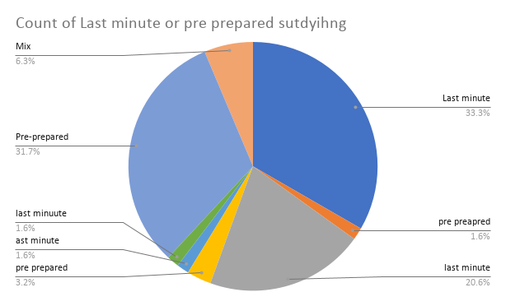

Class Average vs. weekdays sleep
Gym hours

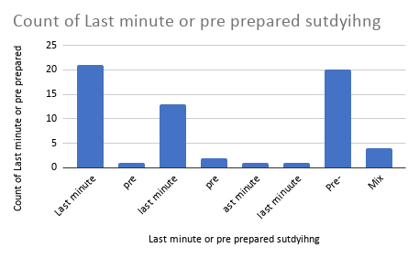
Class Average

